Page1
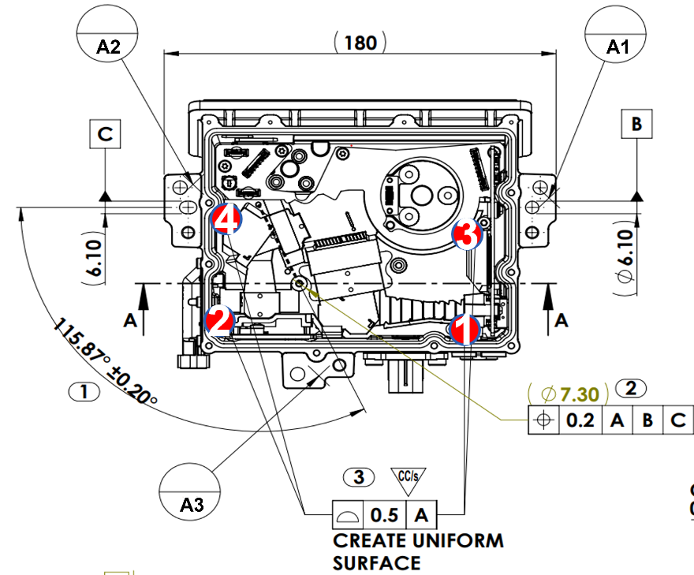
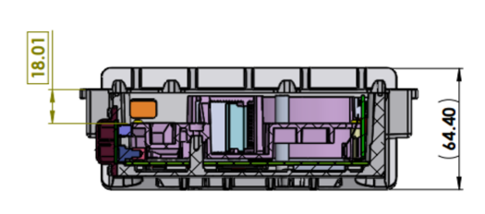
 |  |  |  |  |  | Date | 4-Aug-2025 | How to measurment
Measurement Report |  |  |  |  |  | By | Pumwanat B. | 1.Make point from A1 A2 and A3
Point | Specification | Tolerance | unit | Actual Measurement |  |  |  | 2.Make plane from point in 1.
 |  |  |  | No.3 | N.9 |  | Remark | 3.Make point at 4 position that we want to measurment
1 | 18.01 | NA | mm | 18.35 | 18.03 |  |  | 4.Make plane from point in 3
2 | 18.01 | NA | mm | 18.29 | 18.53
3 | 18.01 | NA | mm | 18.25 | 17.39 |  |  | Point 1-4 measurment from point in 3. and plane in 2
4 | 18.01 | NA | mm | 18.17 | 18.21 |  |  | Point 5 measurment from Plane in 2 and Plane in 4
5 | 0.00 | NA | Degree | 0.13 | 0.65 |  | Degree Tilt

